Pivot Tables
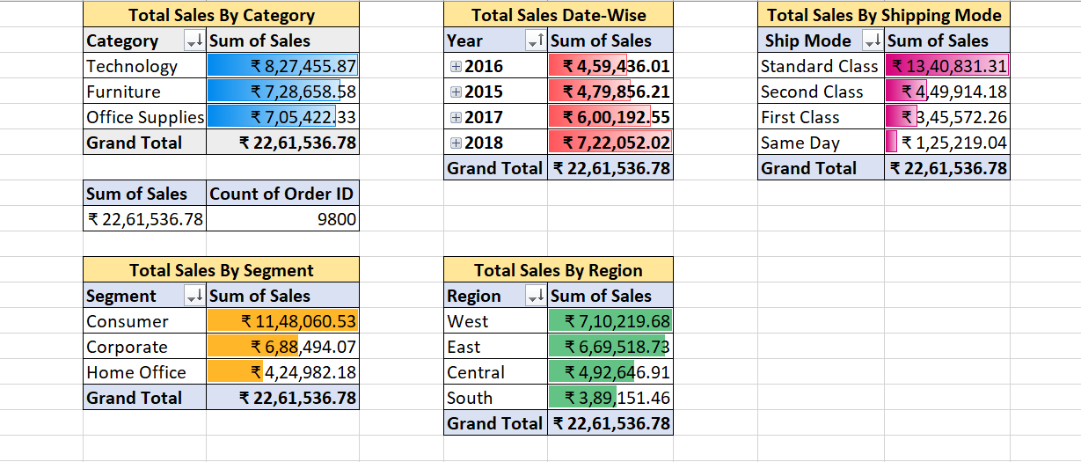

Dashboard
SUPERSTORE SALES DASHBOARD

Total Sales | Total Orders | Top Category
2261536.78 | 4922 | Technology

Sales by Region
 | Sales
Central | 492646.9132
East | 669518.726
South | 389151.459
West | 710219.6845
Sales by Category
 | Sales
Furniture | 728658.5757
Office Supplies | 705422.334
Technology | 827455.873

Total Sales by Shipping Mode
 | Total
Standard Class | 1340831.307
Second Class | 449914.1794
First Class | 345572.2573
Same Day | 125219.039

Total Sales Year-Wise
 | Total
2016 | 459436.0054
2015 | 479856.2081
2017 | 600192.55
2018 | 722052.0192
Monthly Sales Trend
 | Sales
2015-01 | 14205.707
2015-02 | 4519.892
2015-03 | 55205.797
2015-04 | 27906.855
2015-05 | 23644.303
2015-06 | 34322.9356
2015-07 | 33781.543
2015-08 | 27117.5365
2015-09 | 81623.5268
2015-10 | 31453.393
2015-11 | 77907.6607
2015-12 | 68167.0585
2016-01 | 18066.9576
2016-02 | 11951.411
2016-03 | 32339.3184
2016-04 | 34154.4685
2016-05 | 29959.5305
2016-06 | 23599.374
2016-07 | 28608.259
2016-08 | 36818.3422
2016-09 | 63133.606
2016-10 | 31011.7375
2016-11 | 75249.3995
2016-12 | 74543.6012
2017-01 | 18542.491
2017-02 | 22978.815
2017-03 | 51165.059
2017-04 | 38679.767
2017-05 | 56656.908
2017-06 | 39724.486
2017-07 | 38320.783
2017-08 | 30542.2003
2017-09 | 69193.3909
2017-10 | 59583.033
2017-11 | 79066.4958
2017-12 | 95739.121
2018-01 | 43476.474
2018-02 | 19920.9974
2018-03 | 58863.4128
2018-04 | 35541.9101
2018-05 | 43825.9822
2018-06 | 48190.7277
2018-07 | 44825.104
2018-08 | 62837.848
2018-09 | 86152.888
2018-10 | 77448.1312
2018-11 | 117938.155
2018-12 | 83030.3888

